Sheet1
PIONEER SERVICES

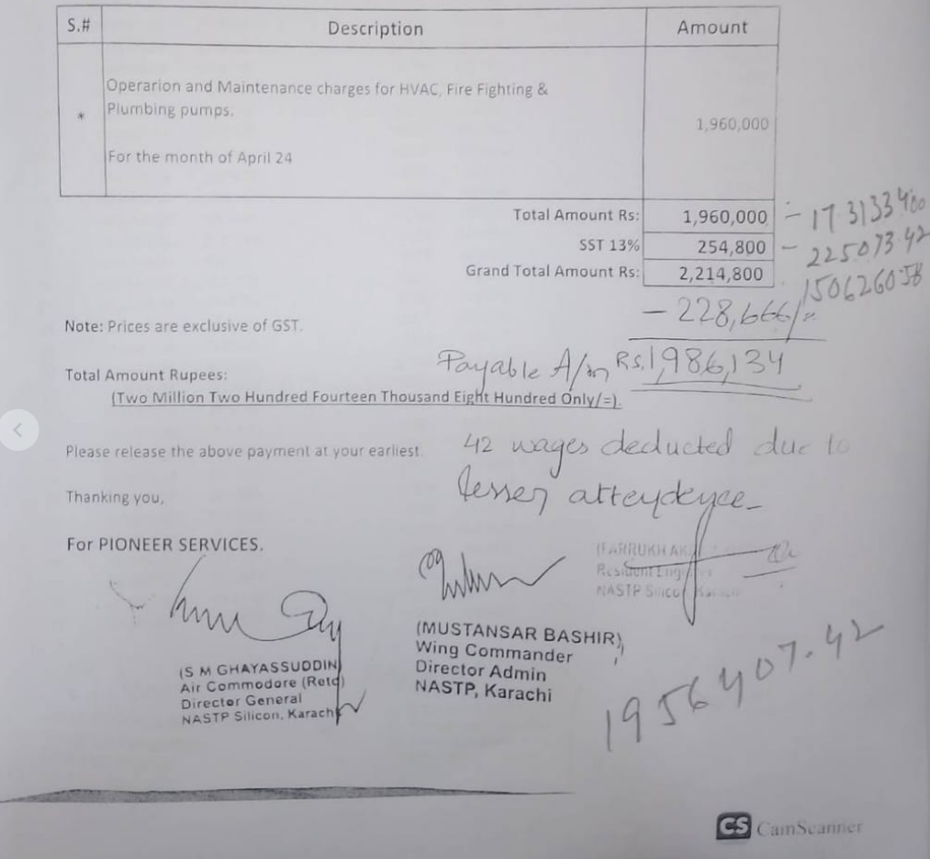
M/S GWALPHA TECH (PRIVATE) LIMITED
NASTP Alpha HQs, Alpha Techno Square, Airport Road, Chaklala, Rawalpindi |  | Date | 04 June 2024
 |  | Invoice # | 015
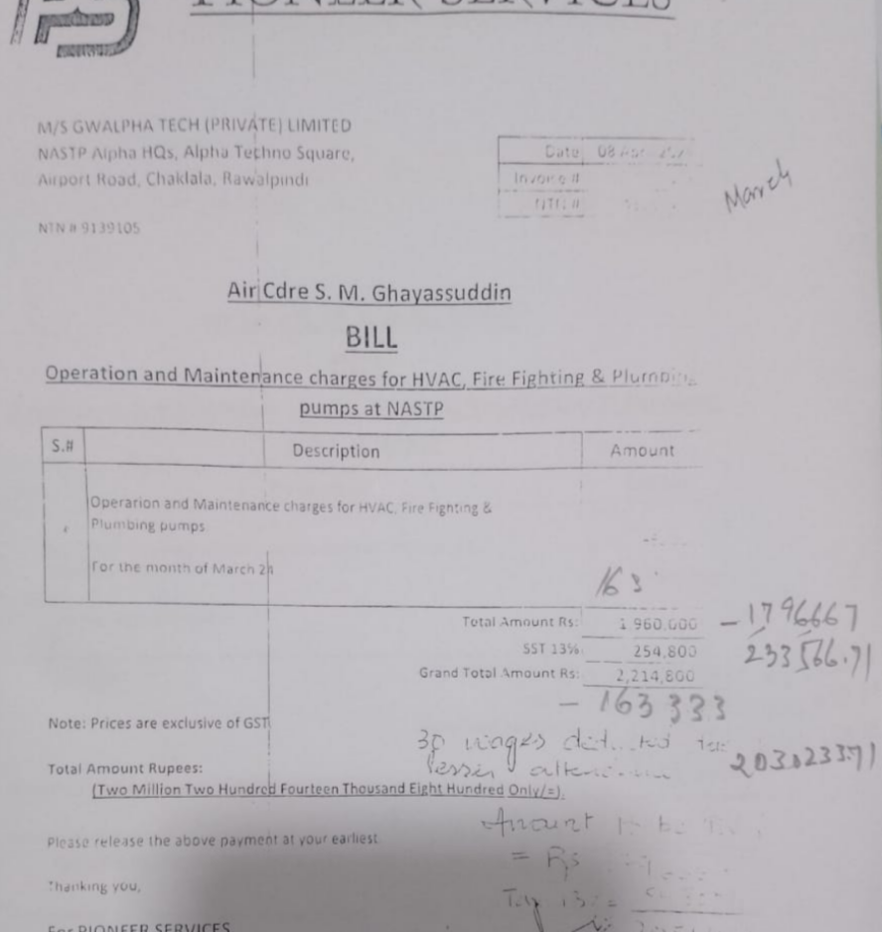
 |  | NTN # | 4312149-7
NTN # 9139105

Air Cdre S. M. Ghayassuddin
BILL

Operation and Maintenance charges for HVAC, Fire Fighting & Plumbing pumps at NASTP

S.# | Description |  | Amount
* | Operarion and Maintenance charges for HVAC, Fire Fighting & Plumbing pumps. For the month of May 24 |  | 1,960,000
* | Less Absent Amount: Per Person Per day is Rs 5,268 x 3 Days |  | 15,804
Total Amount Rs: |  |  | 1,944,196 | 1,731,334 | 1,796,667 | Oct-23 | 1,960,000 | 5 lac will always deducted in every monthly bill in acc of MSE acc as BH recommended.
SST 13% |  |  | 252,745 | 225,073 | 233,567
Grand Total Amount Rs: |  |  | 2,196,941 | 1,956,407 | 2,030,234
 |  |  |  |  |  | Less | 500,000
Note: Prices are exclusive of GST. |  |  |  |  |  |  | 1,460,000
 |  |  |  | 215,204.82 | 223,325.71
Total Amount Rupees: |  |  |  | 45,014.68 | 46,713.34 | Nov-23 | 1,960,000
 | (Two Million One Hundred Ninety Six Thousand Nine Hundred Fourty One Only/=). |  |  | 1,696,187.92 | 1,760,194.66 | Less | 500,000
 |  |  |  |  |  |  | 1,460,000
Please release the above payment at your earliest. |  |  | -

Thanking you, |  |  | - |  |  |  | 2,920,000 | actual received and given to BH

For PIONEER SERVICES.

 |  |  |  | 1696187.9198
 |  |  |  |  | 3,456,383

